2021.664-Art7 - RequisitosGene
CUESTIONARIO |  |  | DOCUMENTACIÓN USSP VERSIÓN 1 |  |  |  | Valoración AESA | DF/OB | Comentarios | Personal actuario
Código | REQUISITO | ASPECTO QUE DEBE JUSTIFICARSE | ACLARACIONES SOBRE EL CUMPLIMIENTO | DOCUMENTACIÓN JUSTIFICATIVA | CÓDIGO | FECHA
2021.664-Art7.1 | 2021.664-Art7.1 REQ. GENERALES USSP
 | 1. Los servicios de U-Space serán prestados por personas jurídicas certificadas como proveedores de servicios de U-Space de conformidad con el capítulo V.
 | GM1 Article 7 U-space service providers
 | GENERAL REQUIREMENTS
 | (a) A U-space service provider (USSP) is a new entity established by this Regulation. It refers to an organisation that is certified by a competent authority to provide U-space services in the U-space airspace.
 | (b) USSPs are responsible for implementing and providing the bundle of U-space services required by the Member State that designates the U-space airspace.
 | (c) Entities that are not willing to deliver all required U-space services may act as subcontractors to a USSP that provides all required U-space services.
 | (d) A USSP may subcontract the provision of some or all U-space services to other entities if they remain under its management control. There can also be associations between USSPs or equivalent mechanisms, if it is clear that there is a single certified entity responsible for providing the required bundle of U-space services to UAS operators. When required, the USSP should ensure that the competent authority is given access to any subcontracted organisation and data relevant to support the USSP certification.
 | (e) USSPs ensure coordination with CIS providers or, when designated, the single CIS provider.
 | (f) USSPs ensure operational coordination with other USSPs that are active in the same U-space airspace and the relevant ATSPs. Only some specific information is expected to be sent back to the relevant ATC unit.
 | (g) USSPs support the dissemination and acknowledgment of notification on dynamic airspace reconfiguration, in accordance with Article 4 of Regulation (EU) 2021/664.
 | (h) USSPs support the competent authority in recording and making operational data available to support the conduct of safe operations in the U-space airspace, as laid out in the AMC and GM to Article 18(f) and (h) of Regulation (EU) 2021/664.
2021.664-Art7.2 | 2021.664-Art7.2 REQ. GENERALES USSP
 | 2. Los proveedores de servicios de U-Space serán responsables de prestar a los operadores de UAS los servicios de U-Space mencionados en el artículo 3, apartados 2 y 3, durante todas las fases de las operaciones en dicho espacio aéreo U-Space.
 | AMC1 Article 7(2) U-space service providers
 | BUNDLE OF U-SPACE SERVICES
 | The set of U-space services required to be provided by the USSP to UAS operators is defined by the Member State for each designated U-space airspace. To facilitate the provision of U-space services to UAS operators, a USSP should provide the U-space services required in the U-space airspace served in a form of bundle, which may encompass:
 | (a) four services as per Article 3(2) of Regulation (EU) 2021/664;
 | (b) five or six services when considering the provisions of Article 3(3) of Regulation (EU) 2021/664.
 | AMC2 Article 7(2) U-space service providers
 | USSP–UAS OPERATOR INTERFACES
 | The USSP should provide UAS operators with interfaces, together with the U-space services. The interfaces and functionalities should at least allow UAS operators to:
 | (a) properly use the U-space services;
 | (b) be provided with the operational instructions applying to the U-space airspace;
 | (c) get access to the UAS operator’s operational records;
 | (d) declare a contingency or an emergency;
 | (e) acknowledge any non-conformance, when the conformance monitoring service is required, as per Article 13(2) of Regulation (EU) 2021/664.
 | AMC3 Article 7(2) U-space service providers
 | UAS OPERATOR SITUATIONAL AWARENESS
 | The USSP should ensure that the information that may affect safety is efficiently conveyed transmitted to UAS operators, allowing them to take the necessary, appropriate actions to ensure safety in a timely manner. Accordingly, the USSP should:
 | (a) identify the information that supports safety, and requires immediate UAS operator awareness;
 | (b) reduce the risk of missing the information that supports safety by deploying means to ensure that the attention of UAS operators will be appropriately attracted.
 | AMC4 Article 7(2) U-space service providers
 | DEGRADATION OF USSP SERVICES
 | The USSP should inform without undue delay its UAS operators, other USSPs within the same U-space airspace, and ATSPs when necessary, about the degradation of its services (including degradation that results from the unavailability of CIS providers or ATSPs). The degradation of USSP services should be supported by procedures or contingency measures to be jointly established with UAS operators.
 | AMC5 Article 7(2) U-space service providers
 | U-SPACE AIRSPACE OPERATING INSTRUCTIONS
 | The USSP should develop and provide UAS operators with instructions on how to conduct operations within the U-space airspace. The operating instructions should encompass:
 | (a) the transcription of the operational conditions and airspace constraints that originate from the U-space airspace risk assessment;
 | (b) a user guide documenting how UAS operators should configure and use USSP services;
 | (c) when the services are provided through an API, the user guide should also contain the technical instructions and requirements to the UAS operators to ensure the continued satisfaction of the performance requirements and overall safety;
 | (d) recommendations ensuring the security of the exchange;
 | (e) the normal, contingency, and emergency procedures related to U-space services, to be applied by UAS operators.
 | GM1 Article 7(2) U-space service providers
 | CONNECTIVITY
 | Regulation (EU) 2021/664 assumes that the U-space is a connected environment. A connected environment refers to any digital connection that meets the requirements established by the USSP for the provision of the U-space services in question. A connected environment is not restricted to internet-based connectivity, although the vast majority of connections between a USSP and a UAS operator are expected to be internet based. Therefore:
...
CUESTIONARIO |  |  | DOCUMENTACIÓN USSP VERSIÓN 1 |  |  |  | Valoración AESA
Código | REQUISITO | ASPECTO QUE DEBE JUSTIFICARSE | ACLARACIONES SOBRE EL CUMPLIMIENTO | DOCUMENTACIÓN JUSTIFICATIVA | CÓDIGO | FECHA
 | (e) configure and/or adjust the provision of services: (1) to adhere to the common protocol that supports the exchange of information (e.g. among USSPs) in the U-space airspace; (2) to satisfy the performance requirements and constraints of the U-space airspace.
 | GM2 Article 7(6) U-space service providers
 | CONFIGURATION OF THE PROVISION OF SERVICES
 | The main items that may vary between U-space airspace volumes are:
 | (a) the required set of U-space services, which could encompass the provisions of Article 3(3) of Regulation (EU) 2021/664;
 | (b) the U-space services’ performance requirements and constraints, as per Article 3(4) of Regulation (EU) 2021/664;
 | (c) the common protocol(s) that support the exchange of information with the CIS provider and among the USSPs as per Articles 5(4)(a) and 7(5)(b) of Regulation (EU) 2021/664 and its Annex II.
 | GM3 Article 7(6) U-space service providers
 | REPORT TO THE COMPETENT AUTHORITY — TEMPLATE FORM
 | USSPs may consider using the template form below for the purpose of reporting to the competent authority the start and ceasing of the operations. Letter to the competent authority U-space service provider report to the competent authority in accordance with Article 7(6) of Regulation (EU) 2021/664
 | 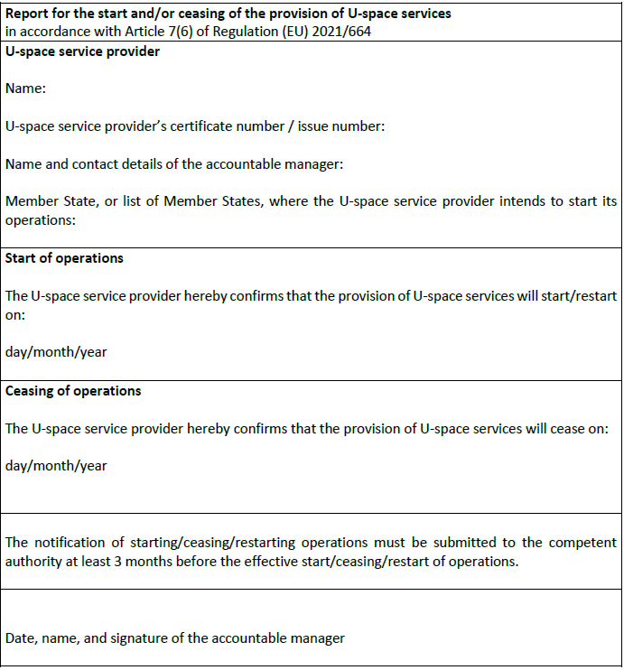
 | GM4 Article 7(6) U-space service providers
 | SUPPORTING OPERATIONAL RECORDS
 | The operational records are meant to provide data to support the implementation of Article 18(h) of Regulation (EU) 2021/664, and the dynamic reassessment of the definition of the U-space airspace as defined in the AMC and GM to Articles 3(1) and 18(f) of Regulation (EU) 2021/664. The operational data and events that may be of interest to a competent authority are the following:
 | (a) dynamic airspace reconfiguration or restrictions;
 | (b) failure to implement dynamic airspace restriction or reconfiguration;
 | (c) volume of (e-conspicuous) manned aircraft crossing the U-space airspace;
 | (d) air proximity situation among UAS, and between UAS and manned aircraft;
 | (e) emergency declared by UAS operators;
 | (f) deviation (non-conformance) with the flight authorisation;
 | (g) over-conformance, when the deviation threshold may be too wide and airspace capacity wasted;
...

2021.664-Art9 - Geoconsciencia
...
CUESTIONARIO |  |  | DOCUMENTACIÓN USSP VERSIÓN 1 |  |  |  | Valoración AESA
Código | REQUISITO | ASPECTO QUE DEBE JUSTIFICARSE | ACLARACIONES SOBRE EL CUMPLIMIENTO | DOCUMENTACIÓN JUSTIFICATIVA | CÓDIGO | FECHA
 | AMC1 Article 9(1) Geo-awareness service
 | INFORMATION
 | USSPs should ensure the timeliness and availability of the geo-awareness information provided to UAS operators.
2021.664-Art9.2 | 2021.664-Art9.2 USSP: Servicio de geoconsciencia
 | 2. Los proveedores de servicios de U-Space enviarán la información de geoconsciencia cuanto antes para que los operadores de UAS puedan hacer frente a las contingencias y emergencias, e incluirán su hora de actualización junto con un número de versión o una hora válida, o junto con ambas cosas.
 | AMC1 Article 9(2) Geo-awareness service
 | TIMELINESS
 | USSPs should process and make geo-awareness data available to UAS operators based on the data’s update cycle and criticality level, but no later than its applicability dates and times.
 | GM1 Article 9(2) Geo-awareness service
 | TIMELENESS
 | 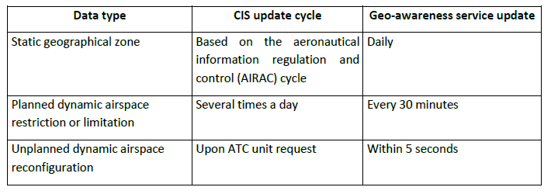 The table below illustrates the scenarios and values USSPs may consider for the implementation of the geo-awareness service:
 | GM2 Article 9(2) Geo-awareness service
 | TIME FORMAT AND VERSION NUMBER
 | USSPs may use the time format and version number provided in Chapter VIII ‘UAS geographical zone data model’ of and in Appendix 2 to EUROCAE ED-269 ‘MINIMUM OPERATIONAL PERFORMANCE STANDARD FOR GEOFENCING’ standard in the version published in June 2020.

2021.664-Art14 - SolicitudCerti
...
CUESTIONARIO |  |  | DOCUMENTACIÓN ANSP VERSIÓN 1 |  |  |  | Valoración AESA
Código | REQUISITO | ASPECTO QUE DEBE JUSTIFICARSE | ACLARACIONES SOBRE EL CUMPLIMIENTO | DOCUMENTACIÓN JUSTIFICATIVA | CÓDIGO | FECHA
 | GM1 Article 14 Application for a certificate
 | GENERAL
 | (a) The provision of U-space services and single CIS is subject to certification by the relevant competent authority.
 | (b) The competent authority may be: (1) the national competent authority of the Member States where the USSPs and, when designated, the single CIS providers have their principal place of business; (2) the Agency for USSPs and single CIS providers from third countries; (3) the Agency, at the request of the USSPs or the single CIS providers that provide services in more than one Member State, following a coordination process described in Article 64 (at the request of the organisation) or Article 65 (at the request of the national competent authority) of Regulation (EU) 2018/1139.
 | (c) The certification scheme aims to preserve public interest, most notably in terms of safety. The certificate confirms that the single CIS provider or the USSP meets the requirements of Regulation (EU) 2021/664 as regards the provision of specific U-space services in the U-space airspace, commensurate with the risk associated with the U-space services they provide. The certificate specifies the rights and obligations of the single CIS provider or the USSP, with particular regard to safety.
 | (d) Annexes VI and VII to Regulation (EU) 2021/664 establish the certificate form templates for the USSP and the single CIS provider respectively. By introducing this single certificate concept, all the privileges of a USSP are to be mentioned in the attachment to the certificate specifying the type of U-space services, and the respective conditions and associated limitations. For the CIS provider, the certificate form does not include an attachment specifying the type of U-space services, conditions and limitations of the certificate because the CIS provider should always provide the required CIS in the U-space airspace for which the CIS provider has been designated.
2021.664-Art14.6 | 2021.664-Art14.6 USSP: Solicitud de un certificado
 | 6. Las solicitudes de un certificado de proveedor de servicios de U-Space o de un certificado de proveedor único de servicios de información común, o de modificación de un certificado existente, se presentarán en la forma y manera establecidas por la autoridad competente, o por la Agencia, según proceda. | ¿La solicitud se ha presentado según se establece? La autoridad debe establecer la forma y manera de solicitar los certificados
 | GM1 Article 14(6) Application for a certificate
 | APPLICATION FORM - TEMPLATE
 | 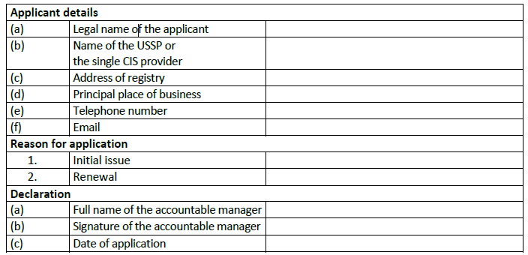 Competent authorities may wish to consider using the following application form template, for the purpose of facilitating the harmonised implementation of Regulation (EU) 2021/664.

